Certification
 | Sustainable Workplace Certification
 | Office:
 | Leader:
 | Date:
 | Number of people in office:

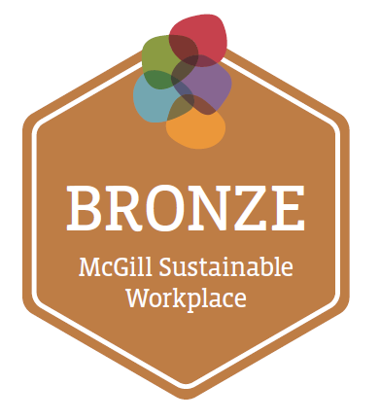

 | ACTION | NOTES/LINK | COMPLETED? (Y, N, N/A) | DID YOU KNOW?
1 | Use tap water (filtered) instead of bottled water or water cooler |  |  | Tap water is actually more regularly checked than bottled water, and is much less expensive.
2 | Turn off faucet when not in use | N/A in some buildings - turns off automatically
3 | Report leaks within 1 week | Report to Facilities Call Center or Building Director
4 | Where possible, turn off monitors and computers when not in use |  |  | Colleges in Quebec City and Ottawa have each saved about $17,000/year by shutting down their computers for 5-7 hours a night - Natural Resources Canada (Office of Energy Efficiency)
5 | Ensure that the energy saving features of all electronic equipment are enabled.
6 | Buy office supplies from McGill's contracted suppliers, and notify Procurement Services if sustainable alternatives are not available |  |  | McGill Procurement Services works to improve the environmental, social, and econonmic sustainability of purchases.
7 | Where possible, choose more sustainable supplies (e.g. refillable pens, notebooks and folders from recycled paper, reusable batteries)
8 | Encourage paperless communication (e.g. make less copies, send digitally, have access to screens/projectors in meetings)
9 | Follow McGill Paper Policy: print and copy double-sided (documents, memorandums, exams, handouts, etc) | Paper Use Policy
10 | For individual printers (not UPrint): set the default on printers and copiers as double-sided. |  |  | UPrint machines are optimized to reduce paper and energy.
11 | Staff and students have awareness of proper recycling practices (and composting if available) | recyclable: http://bit.ly/2nI2pDa
 |  | display waste management guidelines sign ("Use and End of Life"). https://www.mcgill.ca/procurement/files/procurement/guide_to_used-eol_materials_2015.pdf |  | 4 R's: Rethink: is this really necessary? Reduce the amount of materials. Reuse when possible. Recycle as a last option.
12 | Recycle toner and printer cartridges | Contact Hazardous Waste
13 | Recycle McGill-owned appliances and electronic equipment by contacting your unit's IT Asset Steward and/or IT Technical Steward | Contact list for IT Asset Steward and IT Technical Steward (to be released) |  | A new procedure at McGill will streamline how appliances and electronic equipment is recycled.
14 | Avoid using disposable dishes, cutlery, straws, stir-sticks, napkins, etc. for coffee breaks/meals. | Purchase reusable dishware for office or borrow supplies for events from Plate Club (http://theplateclub.tumblr.com/)
16 | Encourage employees to take a lunch break | Healthy Lunch Break Challenge |  | Taking a lunch break can increase energy and focus for the rest of the day.
17 | Awareness of McGill mental health services for staff: Employee Assistance Program, as well as services from insurance plan (if applicable); for students: Mental Health Services | Employee Assistance Program (https://www.mcgill.ca/hr/bp/benefits/health-and-wellbeing/employee-assistance-program-eap), Mental Health Services (http://www.mcgill.ca/mentalhealth/home) Mental Health First Aid Training (https://mcgill.ca/counselling/services/mental-health-first-aid-training)
 | Bonus: Create a sustainable initiative in the workplace | Examples: weekly sustainable competition, join a community garden, share house plants, encourage employees to use reusable travel mugs, etc |  | The Sustainability Projects Fund is supported by students and administration. Over 150 campus projects have been kick-started by the SPF. See some of the project videos here: https://www.youtube.com/user/McGillSPF
 |  | Applicable points: | 17
 |  | Total points received: | 0

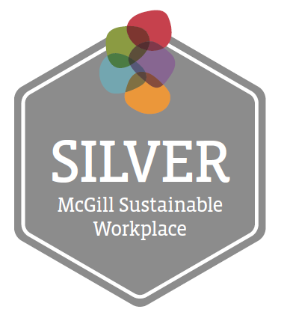

 | ACTION | NOTES/LINK | COMPLETED? (Y, N, N/A) | DID YOU KNOW?
1 | When catering is provided, ask participants for any dietary restrictions in advance. Catering menus have nutritious options for vegetarian/vegan/dietary restrictions. | N/A if no events/catering |  | Plant-based foods are often healthier and have less environmental impacts, particularly regarding climate change. (Tilman & Clark, 2014)
2 | Where possible, turn off lights when leaving an empty office or conference room | N/A in some buildings if motion sensors
3 | No individual printers/scanners are used - only UPrint |  |  | UPrint has automatic energy saving features, while individual machines are less efficient.
4 | Designate a place to reuse office supplies
5 | Purchase environmentally-friendly certified soap and cleaners in kitchenettes, etc | Accepted certifications: Ecocert, Ecologo, Greenseal, Safer Choice/Design for the Environment (EPA), USDA Certified Biobased, biodegradable. |  | Conventional soap and cleaning products contain a variety of synthetic chemicals which can negatively affect waterways and human health. One such chemical is triclosan, an ingredient found in anti-bacterial soaps. (Halden et al. 2017)
6 | When searching for new furniture, prefer more sustainable choices (already at McGill, durable, recycled content, local, etc)
7 | Where appropriate, format documents for efficient paper use (taking into account readability and accessibility): smaller font size, minimum margins, minimum “white space”.
8 | Collect McGill-owned alkaline, rechargeable, and spent laptop batteries for pickup by Hazardous Waste Management | Contact Hazardous Waste |  | Proper electronic recycling is important to reuse valuable resources, as well as reduce toxic leakage in landfills.
9 | Avoid machines with individual coffee pods (e.g. Keurig, Tassimo) |  |  | All of the K-Cups sold in 2014 could wrap around the Earth 12 times (CBC 2015). Single-serve coffee capsules are usually not recyclable.
10 | Where possible, minimize business travel through the use of teleconferencing and videoconferencing. | As per McGill Travel Regulation |  | In 2015, individual air travel represented 15% of McGill's greenhouse gas emissions. (PDF: http://bit.ly/2t28Lh5)
11 | Schedule meetings at McGill to allow people to travel to and from the session using the shuttle, public transit, trains, and inter-city buses. | As covered by the McGill Travel Regulation and Sustainable Event Planning Guide. Allow more travel time for those taking public transit or shuttle.
12 | Share at least one update about the Vision 2020 Sustainability Strategy (e.g. upcoming event, strategy document, blog post, video, etc) | McGill Vision 2020 Sustainability Strategy
13 | Purchase 100% post-consumer recycled paper certified by Forestry Stewardship Council or Sustainable Forestry Initiative |  |  | Post-consumer recycled content indicates the percentage of paper that is being recycled. Forestry Stewardship Council (FSC) and Sustainable Forestry Initiative (SFI) are 3rd party organizations which certify paper products based on environmental standards.
14 | Encourage employee team experiences like office birthday parties, welcome breakfasts, games night, community garden plot, shared bulletin board to share stories, photos, notices, etc |  |  | Social cohesion is an important part of sustainability. Collaboration and personal wellbeing help us solve problems together.
15 | Distribute announcement/email about HR processes and confidential harassment process | Confidential Contact Info for Harassment
16 | Team receives a sustainability 101 presentation within the past 2 years from the Office of Sustainability | To learn more about how to request a sustainability presentation, contact shona.watt@mcgill.ca |  | The McGill Office of Sustainability provides the strategic guidance, support, and resources to transition McGill into an institutional model of sustainability for society.
 | Bonus: Create a sustainable initiative in the workplace | Examples: team attends a lunch and learn or workshop related to sustainability, converts a process to paperless, etc.
 |  | Applicable points: | 16
 |  | Total points received: | 0

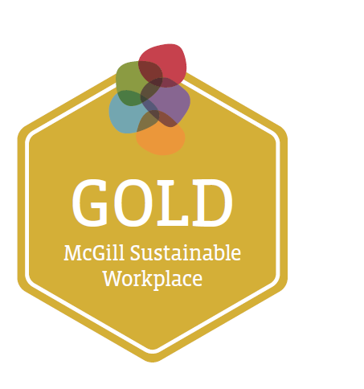

 | ACTION | NOTES/LINK | COMPLETED? (Y, N, N/A) | DID YOU KNOW?
1 | Ask service providers/caterers to use local and seasonal foods as much as possible |  |  | Buying locally produced food reduces transportation greenhouse gas emissions, as well as supports local farmers.
2 | Plug coffee maker into timer to ensure machine is off or on standby
3 | Adjust blinds to prevent excess heating/cooling - use natural light where possible
4 | Favor EPEAT/Energy Star certified products and energy saving appliances | see minimum standard requirements |  | EPEAT (Electronic Product Environmental Assessment Tool) is a 3rd party certification for environmental standards. Energy Star certified products meet energy efficiency standards.
5 | Incorporate guidelines for accessible website and documents | http://www.mcgill.ca/osd/access/accessible-web-pages |  | Making websites and documents accessible ensures that information is clearly presented to everyone, including those who use screen readers.
6 | Share eco-friendly and socially responsible practices with coworkers (e.g. posters, bulletin board, emails, beginning of team meeting, contests, etc)
7 | Incorporate traditional land acknowledgement where applicable e.g. at major events, email signature, webpage, etc. | Sample text: "We would like to acknowledge that McGill University is located on land which has long served as a site of meeting and exchange amongst Indigenous peoples, including the Haudenosaunee and Anishinaabeg nations. McGill honours, recognizes and respects these nations as the traditional stewards of the lands and waters on which we meet today.” |  | A land acknowledgement is a statement that honours Indigenous peoples and the enduring relationship they have with their traditional territories. It is one way to raise awareness of the ongoing nature of colonialism and one’s personal participation in it.
8 | Incorporate elements of accessibility in unit's space management (that unit can directly control). Examples: remove physical barriers from hallways, secure loose wires and carpet on floor, no sharp edges, hallways and corners have sufficient space for wheelchairs (e.g. width of 5 feet), furniture easily moved (e.g. chairs, table), functioning blinds, stairwells clear, avoid handles or buttons that require fine motor skills, table-high buttons (e.g. power buttons on computers), conscious of art and mirrors to avoid special confusion. For guests when possible: pathways clear to exits, accessible bathroom, kitchen, and main conference room | http://www.mcgill.ca/osd/access/building-management-and-design |  | Physical accessibility of a space ensures that everyone can participate and easily navigate.
9 | Encourage employees to attend staff fitness activities and Healthy McGill workshops (allow for flexible work hours)
10 | Team attends two Safer Spaces workshops from SEDE (Social Equity and Diversity Education): "Understanding Discrimination" + another workshop of their choice | Safer Spaces Workshops
11 | Take your eco-footprint quiz and discuss what you learned with colleagues | example eco-footprint calculator - Global Footprint Network.org
12 | Order Fair Trade tea, coffee, and sugar | Applies to supplies paid for by McGill. Certified Fair Trade or Small Producers Logo acceptable. Fair Trade usually pays farmers and artisans a better price for products, as well as ensures safe labour practices and ecological measures of production. |  | McGill became a certified Fair Trade (FT) campus in 2013. University- or student-run food service outlets must only sell FT coffee and at least three FT teas and one FT chocolate option.
13 | Use Sustainable Event Guide or go through certification process by McGill Sustainable Events team | McGill Sustainable Event Guide |  | Launched in 2017, the Sustainable Event Guide and certification process suggests concrete actions to make any event more ecological, socially inclusive, and economically responsible.
14 | Purchase coffee, cream, sugar etc. in appropriate quantities to reduce waste, and avoid single-serve containers.
15 | Store a few reusable travel mugs that individuals can borrow during the day |  |  | Most food providers on campus offer a $0.25 discount for reusable mugs.
 | Bonus: Create a sustainable initiative in the workplace | Examples: compost in office (e.g. vermicompost bin, take home for municipal composting, etc), communicate physical accessibility of office, reuse shipping/packaging materials, etc
 |  | Applicable points: | 15
 |  | Total points received: | 0
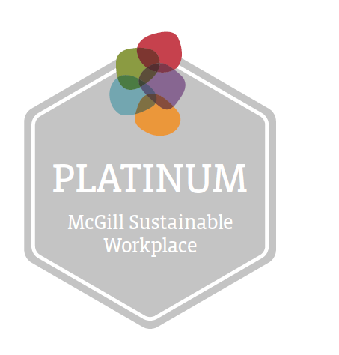

 | ACTION | NOTES/LINK | COMPLETED? (Y,N,N/A) | DID YOU KNOW?
1 | Consider joining an organic farmers' basket drop-off point for the office | McGill Farmer's Market, Good Food Box (SSMU), or Equiterre organic farmer database |  | A Community Supported Agriculture (CSA) basket is a subscription program that provides local organic farmers with the upfront cost for a season. Individuals pick up their fresh vegetables weekly/biweekly.
2 | Appoint a person who is responsible for shutting down electronics/appliances over weekends and holiday breaks (e.g. switch off power bar or turn off monitor)
3 | Where possible, switch off small appliances at night or use an automatic timer
4 | Clean out fridge and defrost freezer (e.g. dust coils) at regular intervals to save power
5 | Conduct a waste audit to observe breakdown of materials going to landfill | Resource on waste audits to be developed
6 | When air travel is necessary, purchase carbon offsets | Prefer carbon offsetting organizations that have Gold Standard certification |  | A carbon offsets is voluntary payment to a 3rd party to compensate for greenhouse gas emissions elsewhere. E.g. $50 for a round trip flight to Paris will be invested in renewable energy or used to plant trees to avoid equivalent emissions.
7 | Encourage employees to go outside at least once a day (bike/walk, have a staff meeting outside, walk around the block during lunch, etc.)
8 | Encourage another unit to participate in Sustainable Workplace Certification |  |  | Personally inviting other teams to participate in a program is often more effective than mass communications.
9 | Consider joining the Staff Sustainability Network to share resources, best practices, and ideas with other units | For more info on joining the Staff Sustainability Network, email shona.watt@mcgill.ca |  | The Staff Sustainability Network is a group of McGill staff and faculty that meets to share resources and ideas.
10 | Consolidate orders to reduce packaging
11 | Encourage employees to look into ergonomics of work station, as well as have budget line for improvements/appropriate changes | Look at ergonomics self checklist or request an ergonomist
12 | Allow employees to work from home when appropriate
13 | Collect and re-use non-confidential one sided paper
14 | Include office's sustainability goals in a new hire's orientation process and performance dialogue if possible |  |  | Incorporating sustainability from the start can help make social and environmental responsibility part of the office culture.
15 | Encourage staff to walk, bicycle, carpool or use public transit to attend meetings and events whenever possible.
 | Bonus: Create a sustainable initiative in the workplace | Examples: add a sustainability section on unit's website, team commits to "meatless Mondays", etc
 |  | Applicable points: | 15
 |  | Total points received: | 0

