Instructions
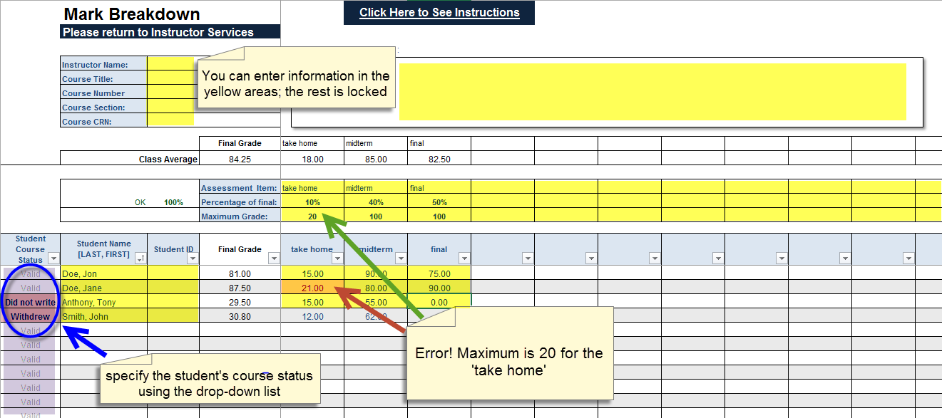
Instructions |  | Go Back to the Gradebook

 | To Print the Grade Book
 | Select the area you wish to print. From the Print screen click on Selection.

 | Importing Student List From MINERVA
 | 1 - Download the class list from Minerva to your computer | see tutorial - live internet connection needed
 | 2 - Copy and paste the students' names and ID numbers into the "Student Name" and "Student ID" columns on the "GradeBook" page
 | Student names and IDs can also be entered manually

 | Entering Data
 | You may only edit the cells highlighted on yellow in the screen capture below
 | 1. Enter the name of each Assessment item
 | 2. Enter the percentage of the final grade assigned to each item
 | 3. Enter the number of points the item will be graded on

 | Note:
 | If you enter a grade higher then the maximum grade permited for an assessment item the grade will be displayed in red.

